2026-StndLoad
SLCoARES STANDARD LOAD - JAN 2026 |  |  |  |  |  |  |  |  |  | CHANGES
 | CH # | RX FREQ | TX FREQ | (+-) | NAME | TONE | CTCSS | Comment
User Defined | 1 |  |  |  |  |  |  |  | Personal
 | 2
 | 3
 | 4
 | 5
 | 6
 | 7
 | 8
 | 9
 | 10
 | 11
 | 12
 | 13
 | 14
 | 15
 | 16
 | 17
 | 18
 | 19
 | 20
 | 21 |  |  |  |  |  |  |  | Club Use
 | 22
 | 23
 | 24
 | 25
 | 26
 | 27
 | 28
 | 29
 | 30
 | 31
 | 32
 | 33
 | 34
 | 35
 | 36
 | 37
 | 38
 | 39
 | 40
DO NOT MODIFY!! | 41 | 438.200 | 438.200 |  | CITY_1 |  |  | Alta | City Repeaters & Simplex
 | 42 | 438.150 | 438.150 |  | CITY_2 |  |  | Alta / Big Cottonwood / Copperton Metro Township / Granite (Unincorporated) / Parley's Canyon Southwest
 | 43 | 446.700 | 441.700 | (-) | CITY_3 | Tone | 100.0 Hz | Bluffdale (Williams Peak) |  | *
 | 44 | 438.100 | 438.100 |  | CITY_4 |  |  | Bluffdale
 | 45 | 145.550 | 145.550 |  | CITY_5 |  |  | Cottonwood Heights
 | 46 | 439.325 | 439.325 |  | CITY_6 |  |  | Cottonwood Heights
 | 47 | 447.100 | 442.100 | (-) | CITY_7 | Tone | 100.0 Hz | Draper (Sun Crest Fire Station #122) |  | *
 | 48 | 447.100 | 447.100 |  | CITY_8 |  |  | Draper
 | 49 | 446.250 | 441.250 | (-) | CITY_9 | Tone | 100.0 Hz | Herriman (Herriman High School) |  | *
 | 50 | 146.460 | 146.460 |  | CITY_10 |  |  | Herriman
 | 51 | 146.480 | 146.480 |  | CITY_11 |  |  | Holladay
 | 52 | 146.580 | 146.580 |  | CITY_12 |  |  | Kearns
 | 53 | 439.000 | 439.000 |  | CITY_13 |  |  | Magna |  | *
 | 54 | 145.790 | 145.790 |  | CITY_14 |  |  | Midvale
 | 55 | 439.200 | 439.200 |  | CITY_15 |  |  | Millcreek
 | 56 | 147.600 | 147.600 |  | CITY_16 |  |  | Murray
 | 57 | 223.960 | 222.360 | (-) | CITY_17 | Tone | 103.5 Hz | Murray Primary Repeater (Closed in Emergencies)
 | 58 | 145.710 | 145.710 |  | CITY_18 |  |  | Riverton
 | 59 | 448.525 | 443.525 | (-) | CITY_19 | Tone | 100.0 Hz | Salt Lake City / Emigration Canyon : NOTE: 147.160 (127.3Hz) is 2nd-ary repeater (Ensign Peak) |  | *
 | 60 | 147.500 | 147.500 |  | CITY_20 |  |  | Salt Lake City / Emigration Canyon
 | 61 | 147.140 | 147.740 | (+) | CITY_21 | Tone | 127.3 Hz | Sandy / Sandy Hills / White City Metro Township / Willow Canyon / Willow Creek (Butterfield Peak) |  | *
 | 62 | 438.925 | 438.925 |  | CITY_22 |  |  | Sandy / Sandy Hills / White City Metro Township / Willow Canyon / Willow Creek
 | 63 | 447.625 | 442.625 | (-) | CITY_23 | Tone | 100.0 Hz | Sandy / Sandy Hills / White City Metro Township / Willow Canyon / Willow Creek (1300 East 9400 South Sandy ) |  | *
 | 64 | 145.510 | 145.510 |  | CITY_24 |  |  | South Jordan
 | 65 | 447.700 | 442.700 | (-) | CITY_25 | Tone | 100.0 Hz | South Salt Lake (South Salt Lake Fire Station 43) |  | *
 | 66 | 439.150 | 439.150 |  | CITY_26 |  |  | South Salt Lake
 | 67 | 146.740 | 146.140 | (-) | CITY_27 | Tone | 114.8 Hz | U of U Repeater (Taylorsville use in non-emergency) (UofU Hospital) |  | *
 | 68 | 146.940 | 146.340 | (-) | CITY_28 | Tone | 88.5 Hz | Taylorsville (Farnsworth Peak Fox 13) |  | *
 | 69 | 146.420 | 146.420 |  | CITY_29 |  |  | Taylorsville
 | 70 | 145.730 | 145.730 |  | CITY_30 |  |  | West Jordan
 | 71 | 147.580 | 147.580 |  | CITY_31 |  |  | West Jordan / West Valley City
 | 72 | 448.800 | 443.800 | (-) | CITY_32 | Tone | 100.0 Hz | West Valley City (WV Fire Station) |  | *
 | 73 | 147.160 | 147.760 | (+) | CITY_33 | Tone | 127.3 Hz | Secondary Repeater for Salt Lake City / Emigration Canyon (Ensign Peak) |  | *
 | 74 | 146.500 | 146.500 |  | CITY_34 |  |  | Sandy Simplex |  | *
 | 75 | 146.700 | 146.100 | (-) | ARES_1 | Tone | 100.0 Hz | SLCo ARES Primary (Ensign Peak) Linked to 448.450 (-) PL 100 | SLCo ARES | *
 | 76 | 146.880 | 146.280 | (-) | ARES_2 | Tone | 88.5 Hz | SLCo ARES Secondary (SLCC Redwood) |  | *
 | 77 | 147.540 | 147.540 |  | ARES_3 |  |  | SLCo ARES Primary Simplex |  | *
 | 78 | 146.620 | 146.020 | (-) | 62_Rpt |  |  | UARC Repeater (Wide Area Monitoring) | Misc. | *
 | 79 | 147.120 | 147.720 | (+) | FrnTie | Tone | 100.0 Hz | Intertie Farnsworth Peak Linked to 147.180 (Wide Area Monitoring) |  | *
 | 80 | 147.180 | 147.780 | (+) | HdnTie | Tone | 100.0 Hz | Intertie Hidden Peak Linked to 147.120 (Wide Area Monitoring) |  | *
 | 81 | 147.080 | 147.680 | (+) | Sinbad | Tone | 77.0 Hz | Sinbad Repeater System Lake Mountain North (Wide Area Monitoring) |  | *
 | 82 | 448.150 | 443.150 | (-) | 6m Lnk | Tone | 127.3 Hz | Farnsworth Peak (Linked to 53.150 MHz PL 146.2 Hz) |  | *
 | 83 | 147.360 | 147.960 | (+) | Lewis | Tone | 100.0 Hz | Lewis Peak |  | *
 | 84 | 146.760 | 146.160 | (-) | Lk Mnt |  |  | Lake Mountain (UARC) |  | *
 | 85 | 448.600 | 443.600 | (-) | DavisCo | Tone | 123.0 Hz | Davis County Wide Coverage (Mt. Ogden) | Davis | *
 | 86 | 147.040 | 147.640 | (+) | DCAres | Tone | 123.0 Hz | Davis County ARES - Linked to 147.42 (S) - Use this Simplex for Davis Co Simplex use. | County | *
 | 87 | 446.575 | 441.575 | (-) | RMPwr1 | Tone | 100.0 Hz | Rocky Mountain Power Owned (PACIFICORP), Their emcomms support repeater. (Traverse Mountain) | Pacificorp | *
 | 88 | 445.1375 | 440.1375 | (-) | RMPdmr |  |  | DMR Repeater - Rocky Mountain Power Owned (PACIFICORP), (Traverse Mountain) |  | *
 | 89 | 146.940 | 146.340 | (-) | UTDEM1 | Tone | 88.5 Hz | UTDEM Primary Repeater | UTDEM | *
 | 90 | 147.060 | 147.660 | (+) | UTDEM2 |  |  | UTDEM Secondary Repeater |  | *
 | 91 | 146.440 | 146.440 |  | UTDEM3 |  |  | UTDEM Primary Simplex |  | *
 | 92 | 146.520 | 146.520 |  | NAT146 |  |  | National 2 Meter Calling Freq. | Ntnl | *
 | 93 | 223.500 | 223.500 |  | NAT220 |  |  | National 1.25 Meter Calling Freq. |  | *
 | 94 | 446.000 | 446.000 |  | NAT446 |  |  | National 70 cm Calling Freq. |  | *
 | 95 | 144.390 | 144.390 |  | APRS |  |  | National APRS (Simplex) |  | *
 | 96 | 447.175 | 442.175 | (-) | Port_1 |  |  | Statewide Port. Reptr (12V DC) | Portable | *
 | 97 | 449.250 | 444.250 | (-) | Port_2 | Tone | 100.0 Hz | W7DES Wasatch Front |  | *
 | 98 | 449.250 | 444.250 | (-) | Port_3 | Tone | 103.5 Hz | AC7II Logan Area |  | *
 | 99 | 449.250 | 449.250 | (-) | Port_4 | Tone | 186.2 Hz | UTTHREAT Northern Utah |  | *
 | 100 | 147.520 | 147.520 |  | ERC_1 |  |  | ERC Sandy LDS Storehouse | LDS ERC | *
 | 101 | 448.425 | 443.425 | (-) | ERC_2 | Tone | 100.0 Hz | SLCoARES TacNet Downtown |  | *
 | 102 | 146.960 | 146.360 | (-) | ERC_3 | Tone | 100.0 Hz | Davis County ERC (Francis Peak) |  | *
 | 103 | 448.875 | 443.875 | (-) | ERC_4 | Tone | 100.0 Hz | Lehi Bishop's Storehouse (ERC Link To Utah County) |  | *
 | 104 | 145.530 | 145.530 |  | EOC_1 |  |  | SLCo ARES | EOC SLCoARES Use Only
...
SLCoARES STANDARD LOAD - JAN 2026 |  |  |  |  |  |  |  |  |  | CHANGES
 | 182 | 462.7000 | Rx ONLY |  | FRGM21 |  |  | FRS CH 21 (2W) / GMRS CH 21 (50W) - Rx ONLY!
 | 183 | 462.7250 | Rx ONLY |  | FRGM22 |  |  | FRS CH 22 (2W) / GMRS CH 22 (50W) - Rx ONLY!
 | 184 | 467.5500 | Rx ONLY |  | GMRS23 |  |  | GMRS CH 23 (50W - Repeater Input) - Rx ONLY!
 | 185 | 467.5750 | Rx ONLY |  | GMRS24 |  |  | GMRS CH 24 (50W - Repeater Input) - Rx ONLY!
 | 186 | 467.6000 | Rx ONLY |  | GMRS25 |  |  | GMRS CH 25 (50W - Repeater Input) - Rx ONLY!
 | 187 | 467.6250 | Rx ONLY |  | GMRS26 |  |  | GMRS CH 26 (50W - Repeater Input) - Rx ONLY!
 | 188 | 467.6500 | Rx ONLY |  | GMRS27 |  |  | GMRS CH 27 (50W - Repeater Input) - Rx ONLY!
 | 189 | 467.6750 | Rx ONLY |  | GMRS28 |  |  | GMRS CH 28 (50W - Repeater Input) - Rx ONLY!
 | 190 | 467.7000 | Rx ONLY |  | GMRS29 |  |  | GMRS CH 29 (50W - Repeater Input) - Rx ONLY!
 | 191 | 467.7250 | Rx ONLY |  | GMRS30 |  |  | GMRS CH 30 (50W - Repeater Input) - Rx ONLY!
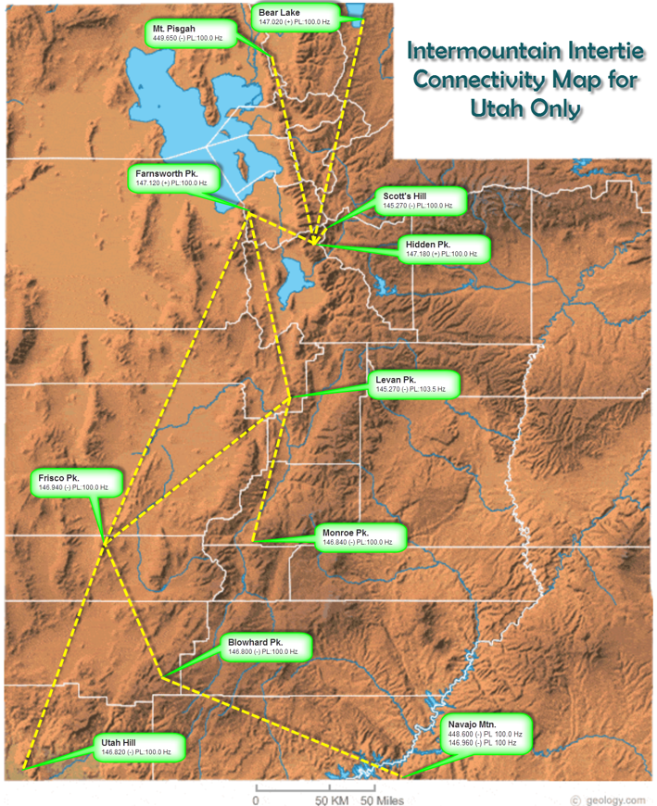

 |  | SINBAD SYSTEM MAP
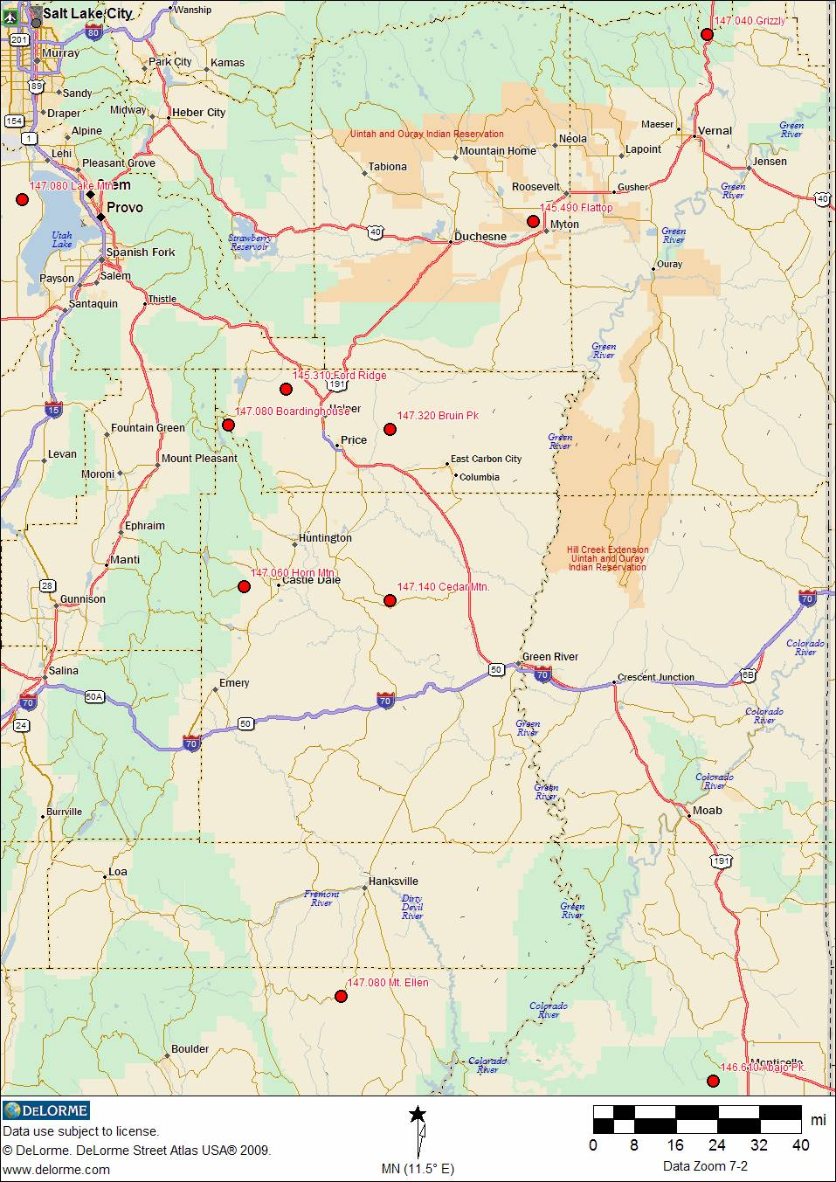

Linked Systems
...
SINBAD/SDARC
...
 |  |  |  |  | long | Rmks
 |  |  |  |  | w109 29 02
 |  |  |  |  | w111 56 13.0
 |  |  |  |  | w110 06 17.47
 |  |  |  |  | w110 59 26.08
 |  |  |  |  | w111 11 55.34
 |  |  |  |  | w110 20 51.9
 |  |  |  |  | w111 08 31.37
 |  |  |  |  | w110 37 12.74
 |  |  |  |  | w110 47 41.34
 |  |  |  |  | w109 27 42
...
Intermountain Intertie (Snowlink) 2 meter freqs - www.utahvhfs.org
146.800 | (-) | 100 | Blowhard/Cedar | n37 35 30 | w112 51 57
146.820 | (-) | 100 | Utah Hill/St.Geo | n37 08 55 | w113 52 05
448.600 | (-) | 100 | Navajo Pk/Lk Powell | n37 02 04 | w110 52 11
146.960 | (-) | 100 | Navajo Pk/Lk Powell | n37 02 04 | w110 52 11
147.300 | (+) | 100 | Jacob Lake, AZ | n36 44 15 | w112 12 46
146.880 | (-) | 100 | Mt Patosi/Las Vegas | n35 57 45 | w115 29 59 | est
448.875 | (-) | 100 | Mt. Elden, Flagstaff http://w7ara.org | n35 14 30.37 | w111 36 35.10
ALL linked to each other but NOT to Sinbad or Skyline.
est = locations plotted by map reference, not GPS data measurement

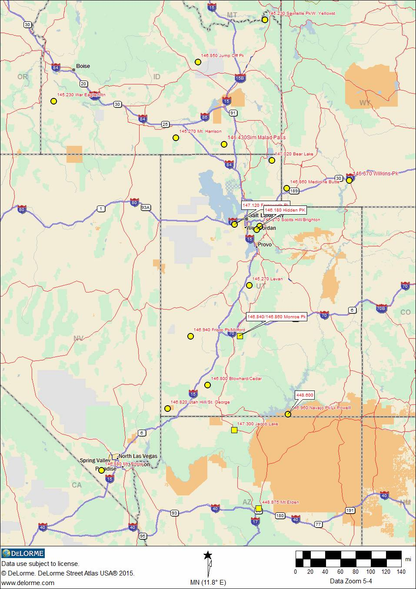
INTERTIE SYSTEM
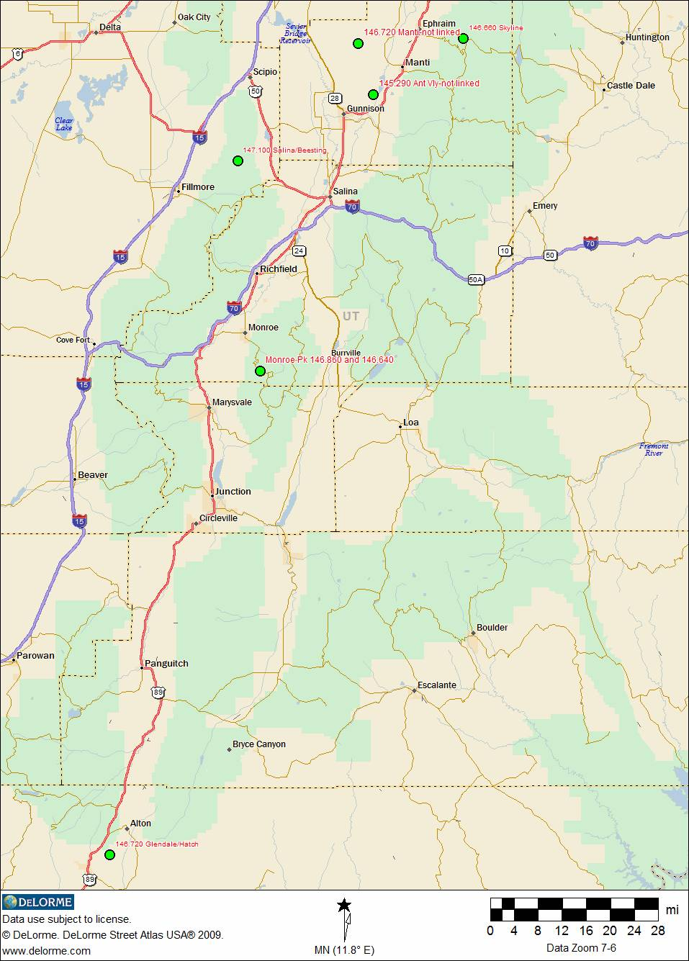
SKYLINE SYSTEM

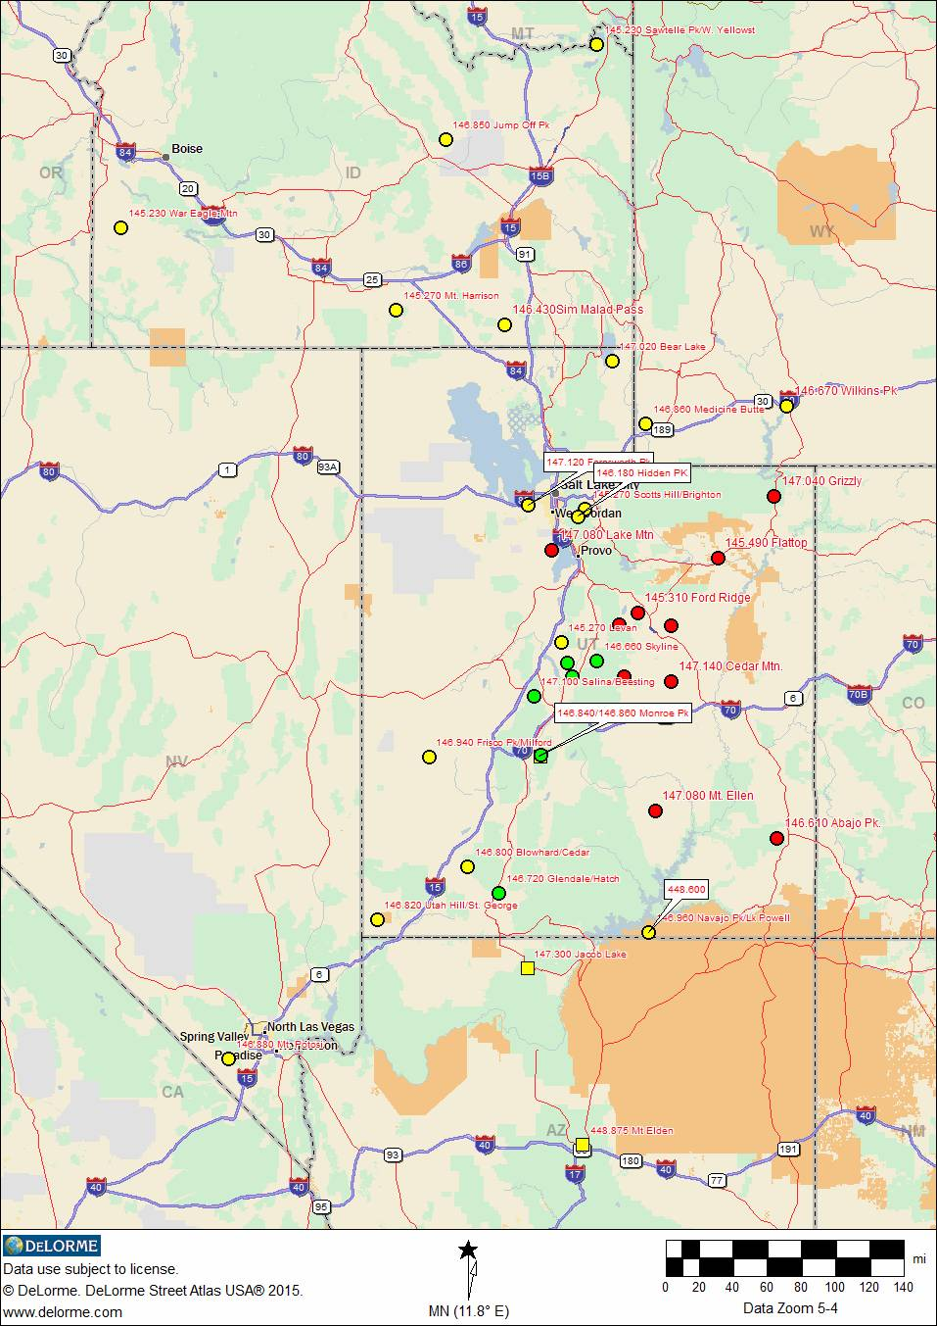
SINBAD / INTERTIE / SKYLINE

